Quotation
FOSHAN NANHAI HAILUSI HARDWARE PRODUCTS CO., LTD.
Add: No. 1 Industrial Park, Third Industrial Zone, Baisha Bridge, Shishan Town, Nanhai District, Foshan City Post Code: 528225
Office Wesite：hailusimetal.com Tel: +86-137-2633-8926 E-mail: saleryan@hailusimetal.com Ryan

Quotation Sheet

To: |  |  |  |  |  |  |  | Date: May 13 2025
Attn: |  |  |  |  |  |  |  | NO.:HLS-001
Phone:
Add:
Project Location:
Item | Image | Drawing | Spec. | Material | Finish | Qty | Unit | EXW (USD) | Substal (USD)
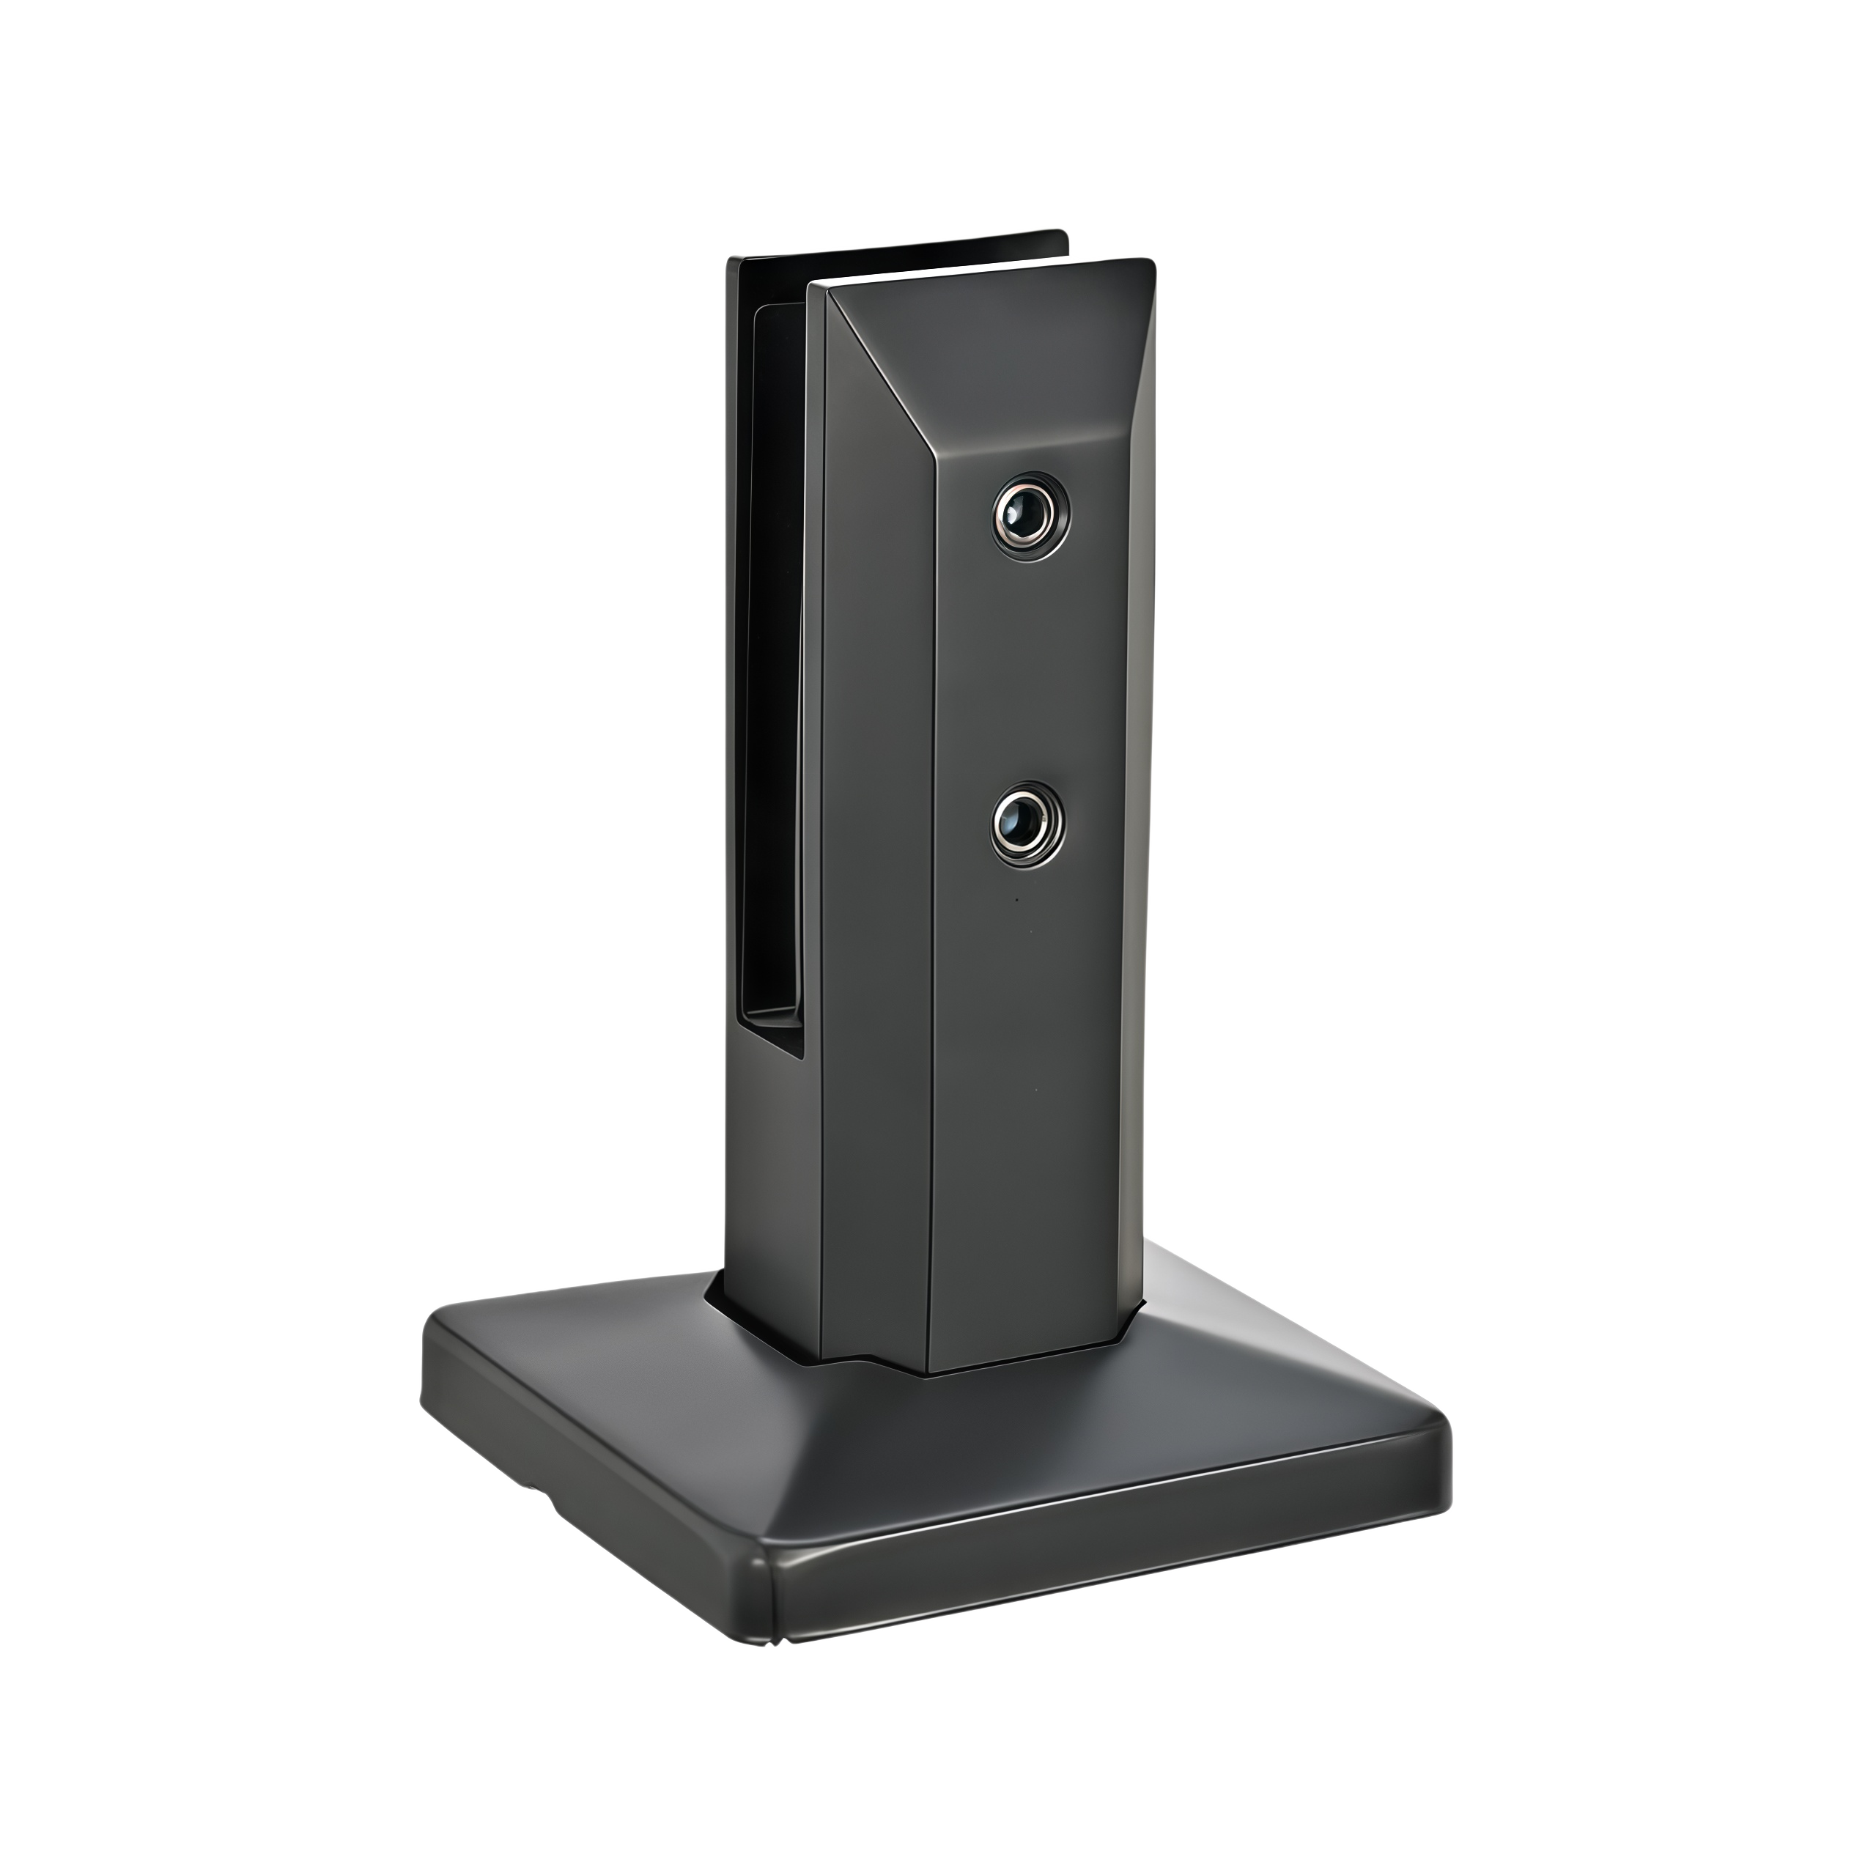
Stairs railing（Riser)
HLS-0513 (Height:1067mm） | 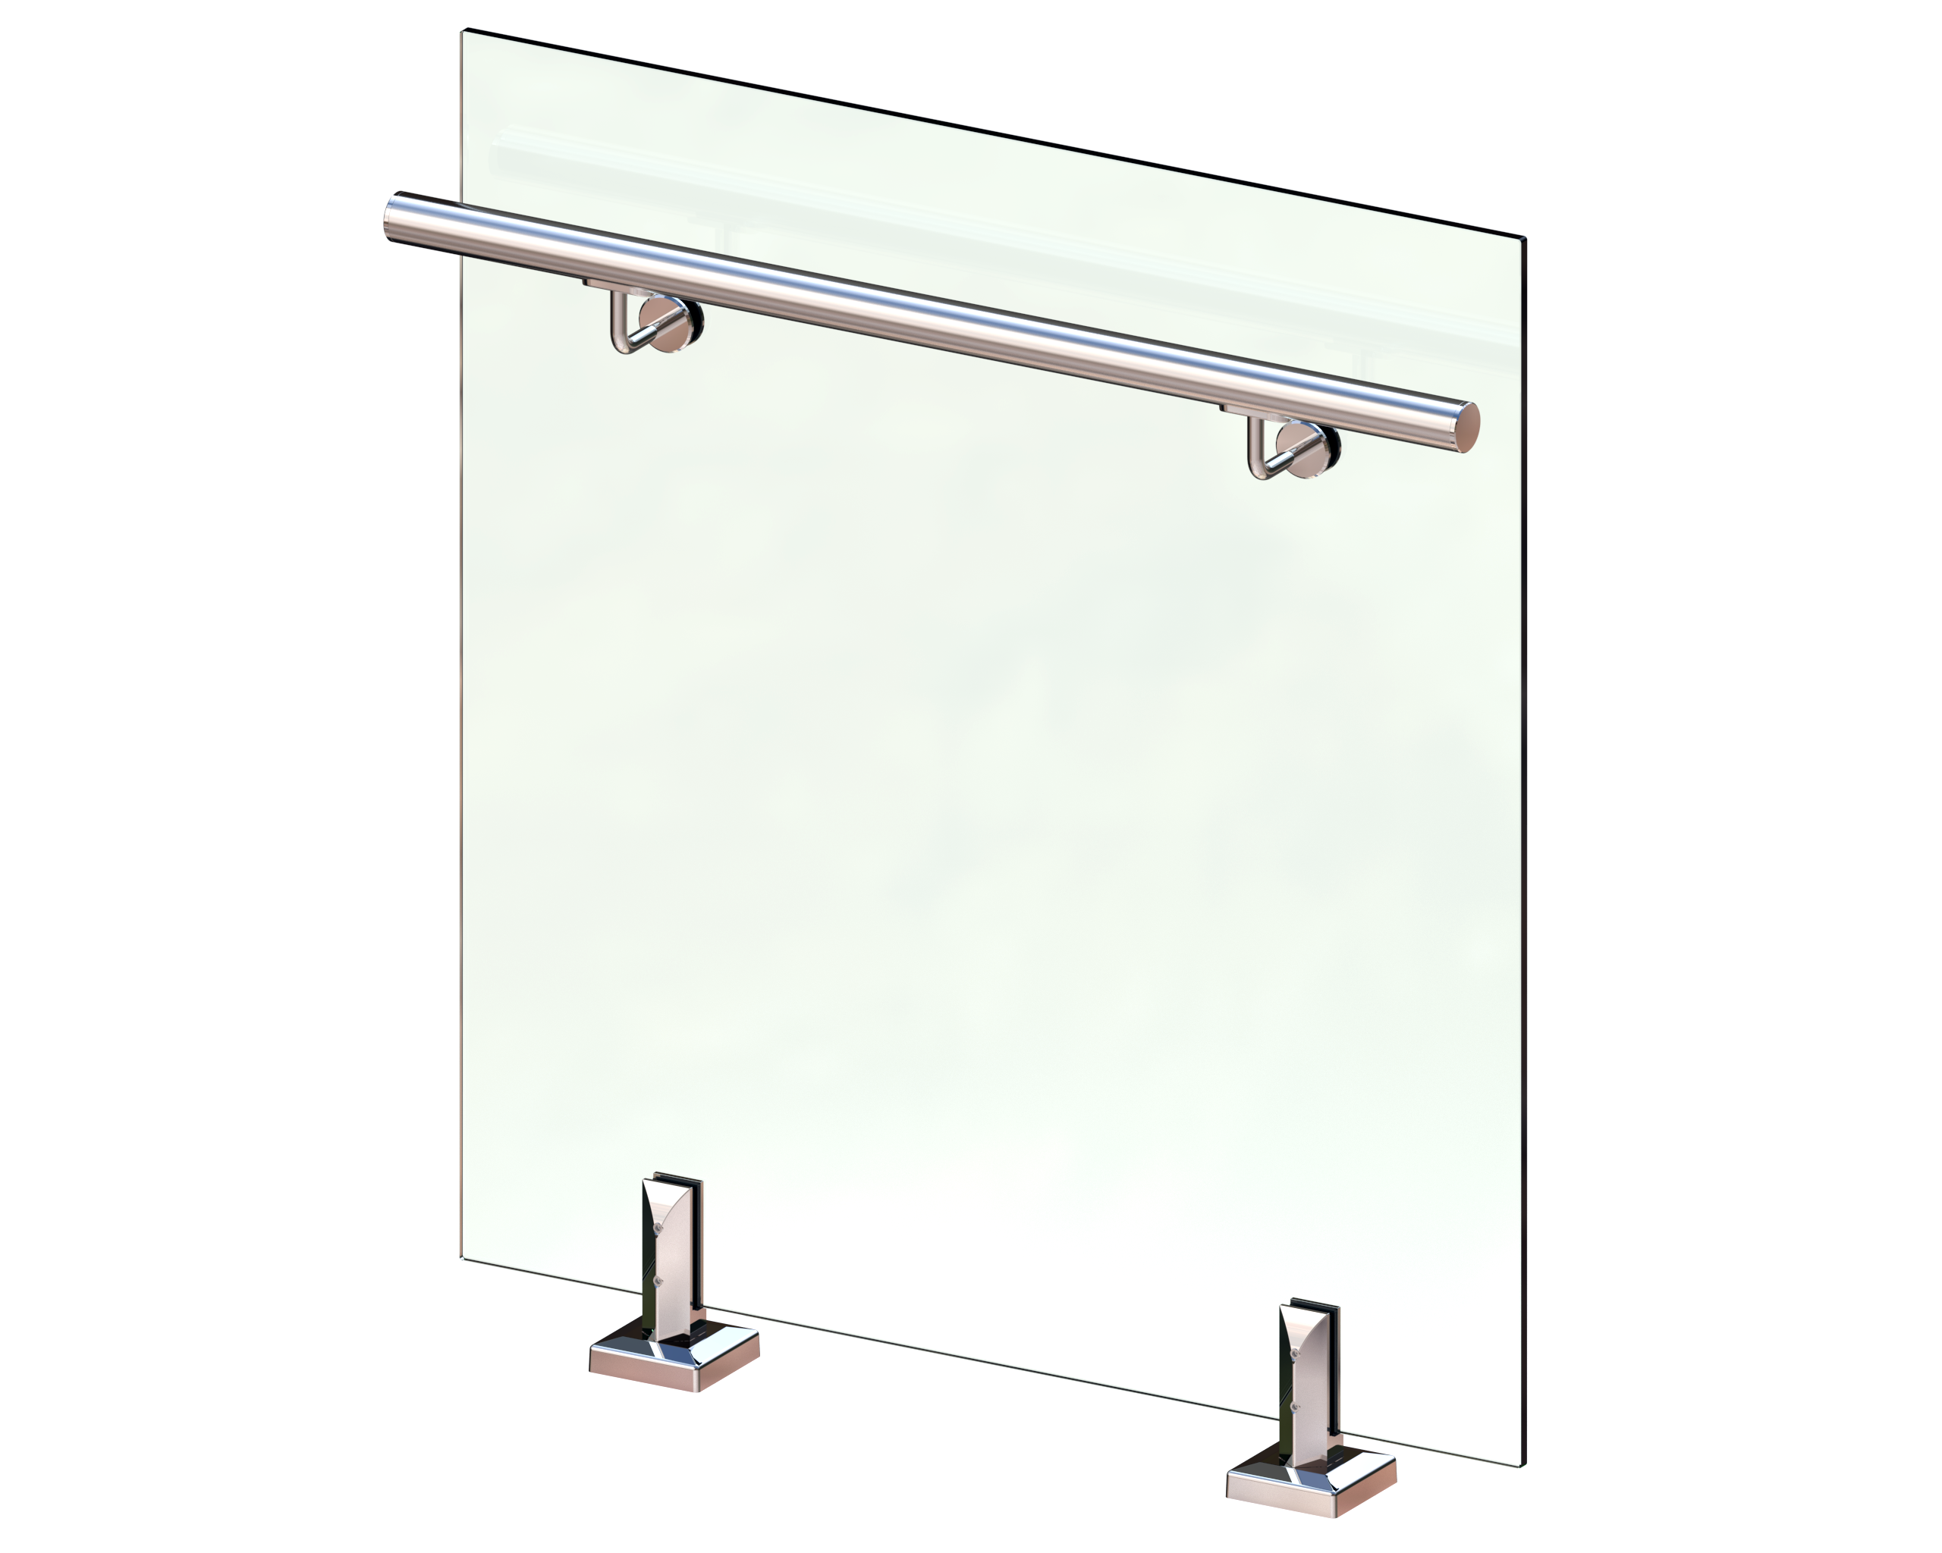 |  | Spigot:HLS-0513 | Stainless steel 316 | Black | 17.3 | Meter
 |  |  | Tempered Glass:12mm | Tempered | Clear
 |  |  | Bracket | Stainless steel 316 | Black
 |  |  | Accessories : Factory Standard | SS 316# | /
Stairs railing（Balcony 1 L)
HLS-0513 (Height:1067mm） | 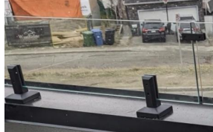 |  | Spigot:HLS-0513 | Stainless steel 316 | Black | 6.2 | Meter
 |  |  | Tempered Glass:12mm | Tempered | Clear
 |  |  | 180° Glass to glass conector for 12mm glass | Stainless steel 316 | Black
 |  |  | 90° Glass to wall conector | Stainless steel 316 | Black
 |  |  | Accessories : Factory Standard | SS 316# | /
Stairs railing（Balcony 1 H):3.15m
HLS-0513 (Height:1067mm） |  |  | Spigot:HLS-0513 | Stainless steel 316 | Black | 3.2 | Meter
 |  |  | Tempered Glass:12mm | Tempered | Clear
 |  |  | 180° Glass to glass conector for 12mm glass | Stainless steel 316 | Black
 |  |  | Accessories : Factory Standard | SS 316# | /
Stairs railing（Balcony 2)
HLS-0513 (Height:1067mm） | 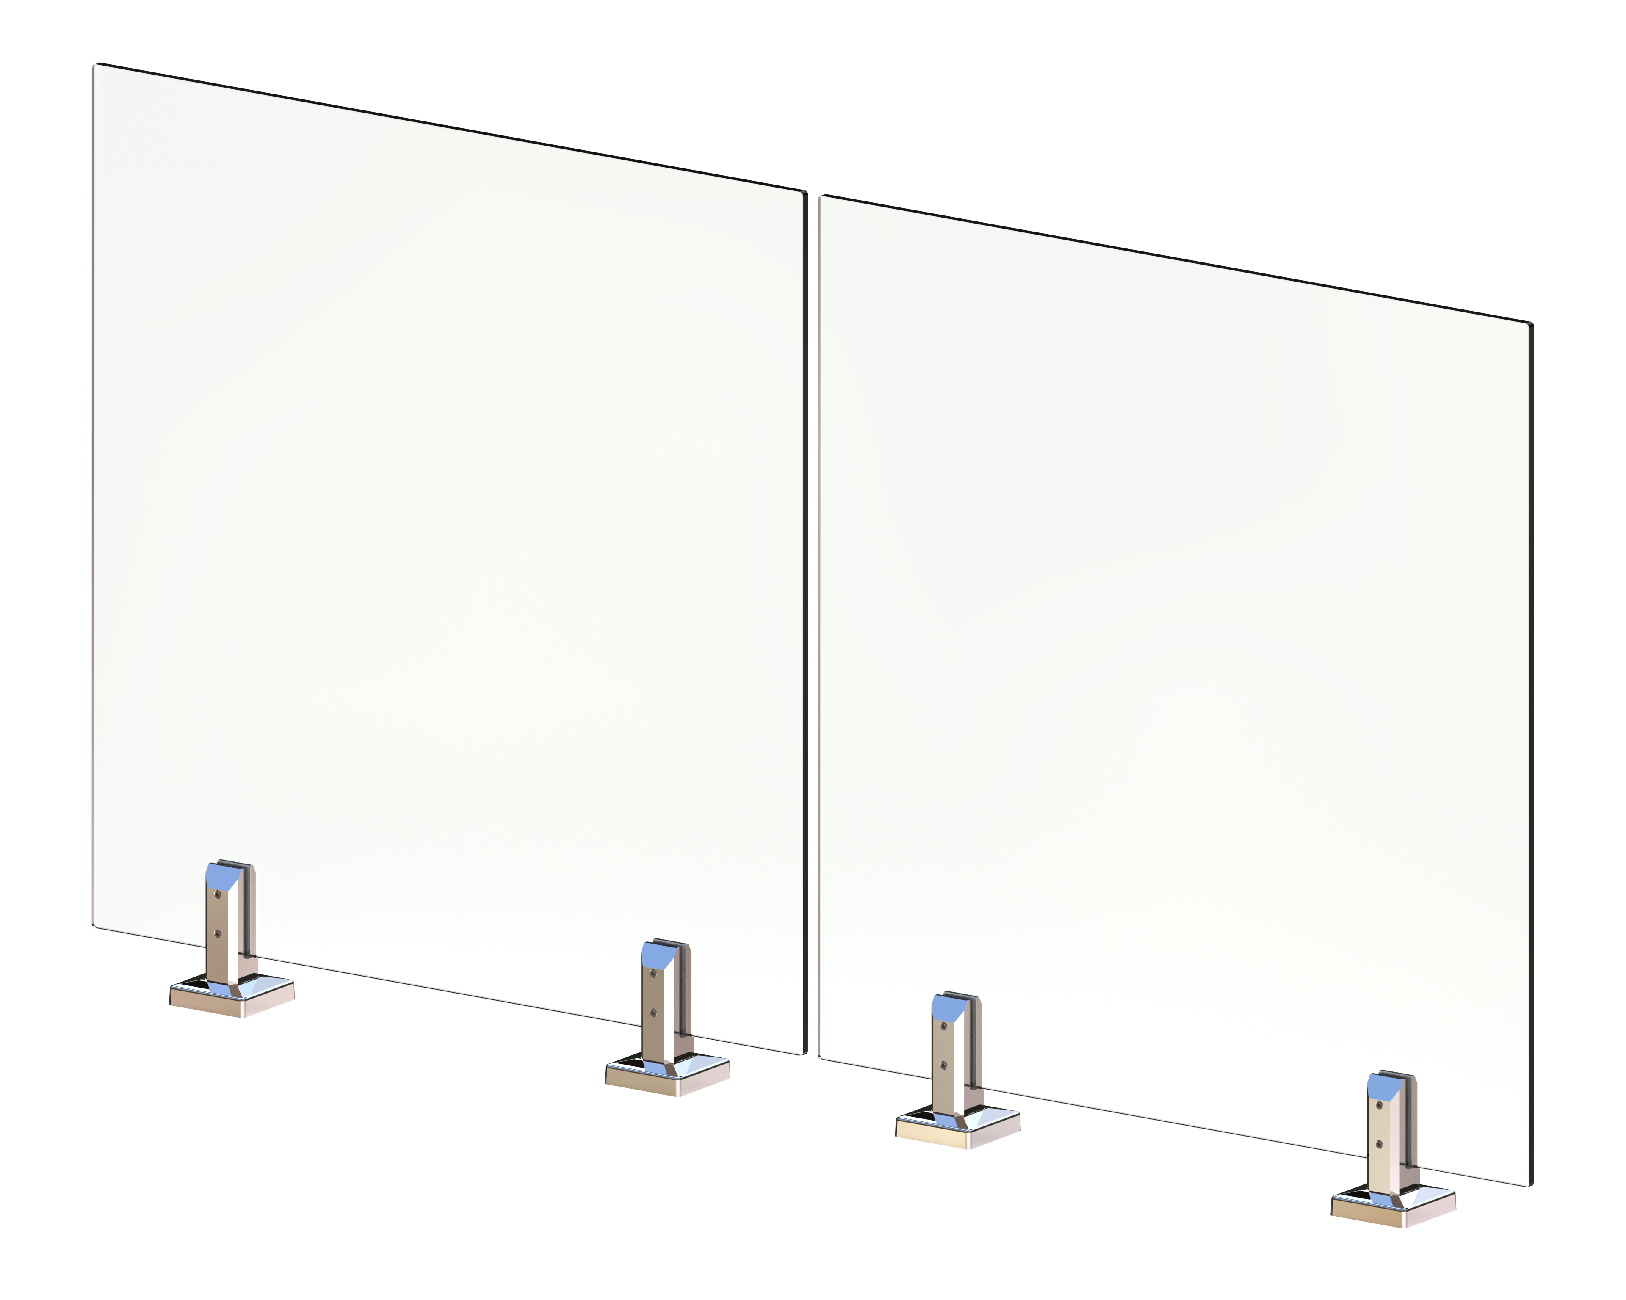 |  | Spigot:HLS-0513 | Stainless steel 316 | Black | 12.1 | Meter
 |  |  | Tempered Glass:12mm | Tempered | Clear
 |  |  | 180° Glass to glass conector for 12mm glass | Stainless steel 316 | Black
 |  |  | 90° Glass to glass conector | Stainless steel 316
 |  |  | 90° Glass to wall conector | Stainless steel 316 | Black
 |  |  | Accessories : Factory Standard | SS 316# | /
In Total |  |  |  |  |  |  |  |  | $0.00
 |  |  |  |  |  |  | 50%deposit |  | $0.00
 |  |  |  |  |  |  | 50% Balance |  | $0.00

TERMS & CONDITIONS:
1. Delivery term: EXW Price not including the delivery freight.
2. Payment terms: 50% by T/T in advance, balance souled be paid before shipment.
3. Delivery time: 35-50 working days upon receipt of deposit.And drawings confirmed .
4. Packing: Factory standard export carton packing.
5. The quotation is valid for 10 days only.
6. All the quotation on the list are suject to our final confirmation

