Sheet1
Sequence number | Picture | matters need attention

D1 | 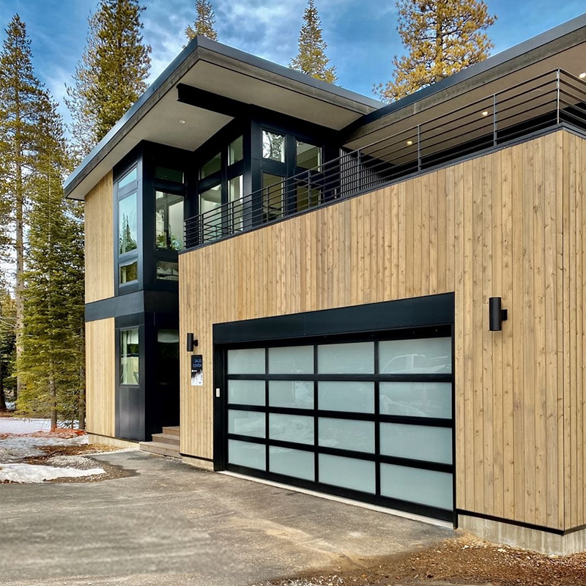 | H： | ？ | Aluminum Frame Color: | Black
 |  | B： | ？ | Glass: | Frosted
 |  | B1/B2： | ？ | Motor: | Included
 |  | h： | ？ | Package: | Wooden Case
 |  | 